AI
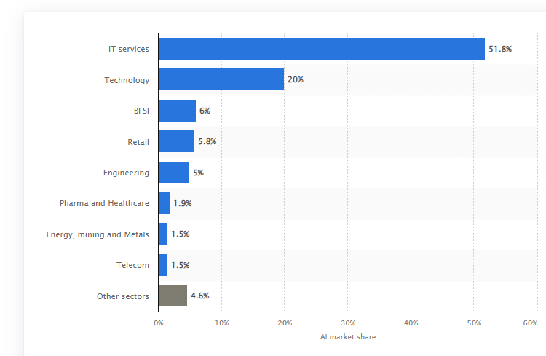
 | Artificial Intelligence |  |  |  |  | 17 | 18 | 19 | 20 |  |  | CAGR(2017-21) | CAGR (2021-25)
 | 2017 | 2021 | 2025 |  |  | 2 | 2.32 | 2.6912 | 3.121792 |  |  | 33.51% | 19.59%
Overall Market Size | 1.2 | 3.8 | 7.8 |  |  |  | 16% | 16% | 16%
 |  |  |  |  |  |  |  |  |  |  |  | 34% | 20%
By Component
Hardware | 0.24 | 0.65 | 1.29 |  | 0.65 | 20% | 17% | 17%
Software | 0.66 | 2.29 | 4.76 |  | 2.29 | 55% | 60% | 61% |  | 328
Services | 0.30 | 0.88 | 1.76 | 35% | 0.88 | 25% | 23% | 22.50% |  | 191
 |  |  |  |  |  |  |  |  |  | 0.58231707317
By Function
HR | 0.02 | 0.07 | 0.16 |  |  |  | 1.5% | 1.8% | 2.0% |  | 17 | 18 | 19 | 20 | 21 | 22 | 23 | 24 | 25
Sales & Marketing | 0.22 | 0.72 | 1.52 |  |  |  | 18.6% | 19.0% | 19.5% |  | 1.2 | 1.6021480143 | 2.1390652164 | 2.8559159074 | 3.813 | 4.5600935747 | 5.4535676396 | 6.5221030036 | 7.8
IT | 0.48 | 1.53 | 3.32 |  |  |  | 40.0% | 40.2% | 42.5% |  |  | 34% | 34% | 34% | 34% | 0.19593327424 | 0.19593327424 | 0.19593327424 | 0.19593327424
Finance & Accounting | 0.10 | 0.34 | 0.73 |  |  |  | 8.4% | 8.9% | 9.3%
Customer Services | 0.08 | 0.27 | 0.59 |  |  |  | 6.9% | 7.1% | 7.5%
Supply Chain Management | 0.04 | 0.15 | 0.35 |  |  |  | 3.6% | 4.0% | 4.5%
Others | 0.25 | 0.72 | 1.15 |  |  |  | 21.0% | 19.0% | 14.7%

By Deployment
On Cloud | 0.62 | 2.21 | 4.84 |  |  | 52% | 58% | 62%
On Premises | 0.58 | 1.60 | 2.96 |  |  | 48% | 42% | 38% |  | https://www.tcs.com/content/dam/tcs/pdf/Industries/global-trend-studies/ai/TCS-GTS-how-AI-elevating-performance-global-companies.pdf

By Industry |  |  |  |  |  |  |  | 328
Healthcare | 0.03 | 0.11 | 0.31 |  |  | 2.80% | 3.00% | 4%
Retail | 0.07 | 0.22 | 0.48 |  |  | 5.60% | 5.80% | 6%
IT & Telecom | 0.61 | 2.02 | 4.21 |  |  | 51.00% | 53% | 54%
BFSI | 0.08 | 0.27 | 0.59 |  |  | 6.50% | 7% | 8%
Automotive | 0.02 | 0.10 | 0.27 |  |  | 2.00% | 3% | 4%
Advertising | 0.07 | 0.27 | 0.62 |  |  | 6.00% | 7% | 8% | 107
Manufacturing | 0.06 | 0.19 | 0.41 |  |  | 4.80% | 5% | 5% |  | 2021 | 2022 | 2023 | 2024 | 2025 | 2026 | 2027 | 2028
Others | 0.26 | 0.64 | 0.90 |  |  | 21.30% | 16.70% | 11.50% |  | 16 | 21 | 27 | 35 | 46 | 61 | 81 | 107
 |  |  |  |  |  |  |  |  |  |  | 32% | 32% | 32% | 32% | 32% | 32% | 32%
 |  |  |  |  |  |  |  |  |  |  | 21.12 | 27.72 | 35.64 | 46.2 | 60.72 | 80.52 | 106.92

